Map
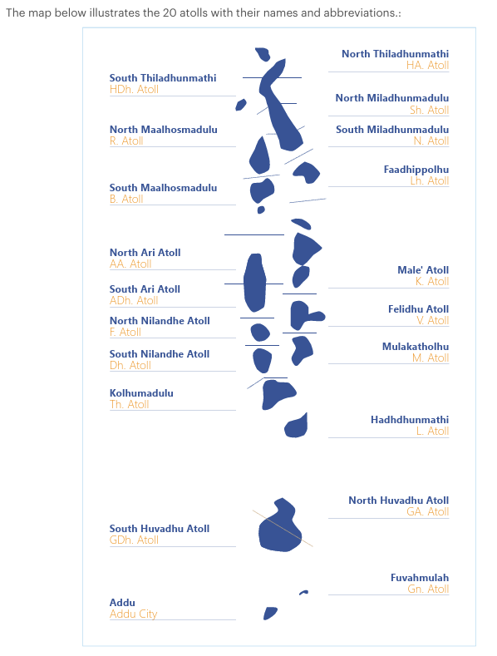
Map of Maldives

Figure 1a-b
Figure 1a-b: Percentage of live births by place of occurence and usual residence of mother, Q1-Q2, 2026

Figure 1a: Percentage of live births by place of delivery and usual residence of mother, Q1, 2026
 | Place of occurence same as mother's usual residence (%) | Place of occurence different from mother's usual residence (%)
Republic | 55% | 45%
Male' | 62% | 38%
Atolls | 40% | 60%
HA | 21% | 79%
HDh | 36% | 64%
Sh | 60% | 40%
N | 80% | 20%
R | 11% | 89%
B | 55% | 45%
Lh | 55% | 45%
K | 0% | 0%
AA | 0% | 100%
ADh | 57% | 43%
V | 0% | 0%
M | 33% | 67%
F | 73% | 27%
Dh | 67% | 33%
Th | 50% | 50%
L | 37% | 63%
GA | 0% | 100%
GDh | 42% | 58%
Gn | 85% | 15%
S | 47% | 53%
Figure 1b: Percentage of live births by place of delivery and usual residence of mother, Q2, 2026
 | Place of occurence same as mother's usual residence (%) | Place of occurence different from mother's usual residence (%)
Republic | 55% | 45%
Male' | 62% | 38%
Atolls | 39% | 61%
HA | 45% | 55%
HDh | 29% | 71%
Sh | 36% | 64%
N | 29% | 71%
R | 16% | 84%
B | 18% | 82%
Lh | 69% | 31%
K | 0% | 0%
AA | 25% | 75%
ADh | 67% | 33%
V | 0% | 0%
M | 0% | 100%
F | 17% | 83%
Dh | 54% | 46%
Th | 50% | 50%
L | 39% | 61%
GA | 25% | 75%
GDh | 47% | 53%
Gn | 96% | 4%
S | 46% | 54%

Figure 2
Figure 2: Live births by age of the mother, Q1-Q2, 2026

Figure 2: Live births by age of mother, Q1-Q2, 2026
 | Q1 | Q2 | Total (Q1-Q2)
15-19 | 15 | 15 | 30
20-24 | 162 | 176 | 338
25-29 | 359 | 329 | 688
30-34 | 380 | 438 | 818
35-39 | 237 | 257 | 494
40-44 | 67 | 95 | 162
45-49 | 5 | 2 | 7
50+ | - | 1 | 1

Figure 3a-b
Figure 3a-b: Percentage of deaths by place of occurence and usual residence of the deceased, Q1-Q4, 2026
Figure 3a: Percentage of deaths by place of occurence and usual residence of the deceased, Q1, 2026
 | Place of occurence same as deceased's usual residence (%) | Place of occurence different from deceased's usual residence (%)
Republic | 53% | 45%
Male' | 40% | 55%
Atolls | 68% | 32%
HA | 89% | 0%
HDh | 71% | 29%
Sh | 67% | 33%
N | 100% | 0%
R | 50% | 50%
B | 63% | 38%
Lh | 80% | 20%
K | 43% | 57%
AA | 64% | 36%
ADh | 42% | 58%
V | 0% | 100%
M | 86% | 14%
F | 100% | 0%
Dh | 100% | 0%
Th | 57% | 43%
L | 89% | 11%
GA | 100% | 0%
GDh | 69% | 31%
Gn | 100% | 0%
S | 59% | 41%
Figure 3b: Percentage of deaths by place of occurence and usual residence of the deceased, Q2, 2026
 | Place of occurence same as deceased's usual residence (%) | Place of occurence different from deceased's usual residence (%)
Republic | 51% | 45%
Male' | 38% | 56%
Atolls | 70% | 30%
HA | 100% | 0%
HDh | 73% | 27%
Sh | 100% | 0%
N | 89% | 11%
R | 50% | 50%
B | 60% | 40%
Lh | 100% | 0%
K | 50% | 50%
AA | 50% | 50%
ADh | 50% | 50%
V | 33% | 67%
M | 67% | 33%
F | 86% | 14%
Dh | 50% | 50%
Th | 75% | 25%
L | 44% | 56%
GA | 100% | 0%
GDh | 80% | 20%
Gn | 100% | 0%
S | 81% | 19%

* Graph excludes Not Stated deaths | * Graph excludes Not Stated deaths

