Map
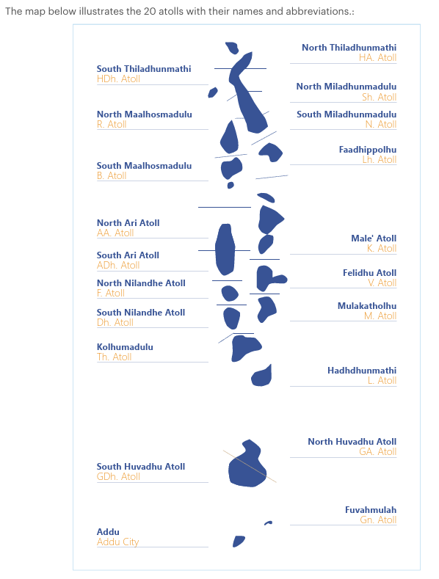
Map of Maldives

Figure 1a-d
Figure 1a-d: Percentage of live births by place of occurence and usual residence of mother, Q1-Q4, 2025

Figure 1a: Percentage of live births by place of delivery and usual residence of mother, Q1, 2025
 | Place of occurence same as mother's usual residence (%) | Place of occurence different from mother's usual residence (%)
Republic | 55% | 45%
Male' | 60% | 40%
Atolls | 40% | 60%
HA | 43% | 57%
HDh | 35% | 65%
Sh | 56% | 44%
N | 38% | 63%
R_* | 8% | 92%
B | 31% | 69%
Lh | 57% | 43%
K | 100% | 0%
AA | 0% | 100%
ADh | 38% | 63%
V | 0% | 0%
M | 20% | 80%
F | 64% | 36%
Dh | 64% | 36%
Th | 67% | 33%
L | 30% | 70%
GA | 60% | 40%
GDh | 32% | 68%
Gn | 88% | 12%
S | 62% | 38%
Figure 1b: Percentage of live births by place of delivery and usual residence of mother, Q2, 2025
 | Place of occurence same as mother's usual residence (%) | Place of occurence different from mother's usual residence (%)
Republic | 58% | 42%
Male' | 66% | 34%
Atolls | 41% | 59%
HA | 29% | 71%
HDh | 38% | 62%
Sh | 29% | 71%
N | 50% | 50%
R_* | 13% | 87%
B | 38% | 62%
Lh | 59% | 41%
K | 0% | 0%
AA | 38% | 63%
ADh | 33% | 67%
V | 0% | 0%
M | 20% | 80%
F | 67% | 33%
Dh | 93% | 7%
Th | 50% | 50%
L | 31% | 69%
GA | 25% | 75%
GDh | 46% | 54%
Gn | 100% | 0%
S | 50% | 50%

Figure 1c: Percentage of live births by place of delivery and usual residence of mother, Q3, 2025
 | Place of occurence same as mother's usual residence (%) | Place of occurence different from mother's usual residence (%)
Republic | 53% | 47%
Male' | 59% | 41%
Atolls | 41% | 59%
HA | 20% | 80%
HDh | 35% | 65%
Sh | 69% | 31%
N | 67% | 33%
R_* | 7% | 93%
B | 56% | 44%
Lh | 50% | 50%
K | 0% | 0%
AA | 60% | 40%
ADh | 20% | 80%
V | 0% | 0%
M | 17% | 83%
F | 50% | 50%
Dh | 67% | 33%
Th | 29% | 71%
L | 32% | 68%
GA | 100% | 0%
GDh | 29% | 71%
Gn | 100% | 0%
S | 53% | 47%
Figure 1d: Percentage of live births by place of delivery and usual residence of mother, Q4, 2025
 | Place of occurence same as mother's usual residence (%) | Place of occurence different from mother's usual residence (%)
Republic | 56% | 44%
Male' | 64% | 36%
Atolls | 36% | 64%
HA | 22% | 78%
HDh | 27% | 73%
Sh | 13% | 87%
N | 43% | 57%
R_* | 7% | 93%
B | 33% | 67%
Lh | 71% | 29%
K | 0%
AA | 50% | 50%
ADh | 17% | 83%
V | 0%
M | 100% | 0%
F | 60% | 40%
Dh | 50% | 50%
Th | 67% | 33%
L | 27% | 73%
GA | 0% | 100%
GDh | 27% | 73%
Gn | 84% | 16%
S | 60% | 40%

Figure 2
Figure 2: Live births by age of the mother, Q1-Q4, 2025

Figure 2: Live births by age of mother, Q1-Q4, 2025
 | Q1 | Q2 | Q3 | Q4
15-19 | 16 | 14 | 17 | 18
20-24 | 205 | 196 | 175 | 198
25-29 | 394 | 369 | 387 | 411
30-34 | 444 | 433 | 449 | 468
35-39 | 296 | 300 | 272 | 278
40-44 | 68 | 65 | 71 | 70
45-49 | 4 | 3 | 3 | 1

Figure 3a-d
Figure 3a-d: Percentage of deaths by place of occurence and usual residence of the deceased, Q1-Q4, 2025
Figure 3a: Percentage of deaths by place of occurence and usual residence of the deceased, Q1, 2025
 | Place of occurence same as deceased's usual residence (%) | Place of occurence different from deceased's usual residence (%)
Republic | 50% | 46%
Male' | 42% | 52%
Atolls | 61% | 37%
HA | 100% | 0%
HDh | 58% | 31%
Sh | 75% | 25%
N | 67% | 33%
R | 45% | 55%
B | 80% | 20%
Lh | 73% | 27%
K | 46% | 54%
AA | 67% | 33%
ADh | 29% | 57%
V | 0% | 100%
M | 33% | 67%
F
Dh | 100% | 0%
Th | 80% | 20%
L | 56% | 44%
GA | 67% | 33%
GDh | 50% | 50%
Gn | 100% | 0%
S | 61% | 39%
Figure 3b: Percentage of deaths by place of occurence and usual residence of the deceased, Q2, 2025
 | Place of occurence same as deceased's usual residence (%) | Place of occurence different from deceased's usual residence (%)
Republic | 47% | 49%
Male' | 39% | 55%
Atolls | 58% | 40%
HA | 100% | 0%
HDh | 71% | 29%
Sh | 100% | 0%
N | 40% | 60%
R | 33% | 58%
B | 20% | 80%
Lh | 63% | 38%
K | 0% | 100%
AA | 33% | 67%
ADh | 25% | 75%
V | 100% | 0%
M | 100% | 0%
F | 100% | 0%
Dh | 50% | 50%
Th | 100% | 0%
L | 53% | 47%
GA | 20% | 60%
GDh | 44% | 56%
Gn | 83% | 0%
S | 67% | 33%

* Graph excludes Not Stated deaths | * Graph excludes Not Stated deaths

Figure 3c: Percentage of deaths by place of occurence and usual residence of the deceased, Q3, 2025
 | Place of occurence same as deceased's usual residence (%) | Place of occurence different from deceased's usual residence (%)
Republic | 49% | 48%
Male' | 40% | 55%
Atolls | 64% | 36%
HA | 80% | 20%
HDh | 50% | 50%
Sh | 86% | 14%
N | 80% | 20%
R | 78% | 22%
B | 20% | 80%
Lh | 0% | 100%
K | 29% | 71%
AA | 100% | 0%
ADh | 40% | 60%
V | 0% | 100%
M | 100% | 0%
F | 100% | 0%
Dh | 0% | 100%
Th | 100% | 0%
L | 43% | 57%
GA | 80% | 20%
GDh | 69% | 31%
Gn | 100% | 0%
S | 58% | 38%
Figure 3d: Percentage of deaths by place of occurence and usual residence of the deceased, Q4, 2025
 | Place of occurence same as deceased's usual residence (%) | Place of occurence different from deceased's usual residence (%)
Republic | 46% | 50%
Male' | 37% | 58%
Atolls | 59% | 39%
HA | 88% | 13%
HDh | 38% | 62%
Sh | 80% | 20%
N | 0% | 100%
R | 50% | 50%
B | 78% | 22%
Lh | 33% | 67%
K | 67% | 27%
AA | 0% | 100%
ADh | 67% | 33%
V | 0% | 100%
M | 80% | 20%
F | 100% | 0%
Dh | 0% | 100%
Th | 67% | 33%
L | 55% | 27%
GA | 50% | 50%
GDh | 100% | 0%
Gn | 100% | 0%
S | 58% | 42%

* Graph excludes Not Stated deaths | * Graph excludes Not Stated deaths

